Data Sheet
Ecology Lab - Aquatic Lab Data

 | Direct Belostomatid | Indirect Belostomatid | No Belostomatid | Control |  | Direct Belostomatid | Indirect Belostomatid | No Belostomatid | Control
 | Present | Visible | Absent | Control |  | Present | Visible | Absent | Control
Initial Hydrilla Biomass (g) |  |  |  |  | % Hydrilla Biomass Remaining
Monday | 15.00 | 15.06 | 15.06 | 14.99 | Monday | 39.33% | 49.14% | 28.15% | 119.15%
Tuesday | 15.09 | 15.01 | 15.03 | 15.01 | Tuesday | 41.75% | 44.64% | 39.25% | 215.86%
Wednesday | 15.02 | 15.15 | 15.01 | 15.09 | Wednesday | 36.62% | 23.76% | 3.33% | 89.46%
Thursday | 15.03 | 15.11 | 15.08 | 15.04 | Thursday | 40.19% | 20.45% | 40.12% | 71.54%
 |  |  |  |  | Average | 39.47% | 34.50% | 27.71% | 124.00%
Final Hydrilla Biomass (g) |  |  |  |  | SE | 1.07% | 7.24% | 8.57% | 32.15%
Monday | 5.90 | 7.40 | 4.24 | 17.86
Tuesday | 6.30 | 6.70 | 5.90 | 32.40
Wednesday | 5.50 | 3.60 | 0.50 | 13.50
Thursday | 6.04 | 3.09 | 6.05 | 10.76 | % Snails Remaining
 |  |  |  |  | Monday | 80.00% | 100.00% | 100.00% | N/A
Initial # Snails |  |  |  |  | Tuesday | 80.00% | 100.00% | 100.00% | N/A
Monday | 5.00 | 5.00 | 5.00 | N/A | Wednesday | 80.00% | 100.00% | 100.00% | N/A
Tuesday | 5.00 | 5.00 | 4.00 | N/A | Thursday | 80.00% | 100.00% | 100.00% | N/A
Wednesday | 5.00 | 5.00 | 5.00 | N/A | Average | 80.00% | 100.00% | 100.00% | N/A
Thursday | 5.00 | 5.00 | 5.00 | N/A | SE | 0.00% | 0.00% | 0.00% | N/A

Final # Snails
Monday | 4.00 | 5.00 | 5.00 | N/A
Tuesday | 4.00 | 5.00 | 4.00 | N/A
Wednesday | 4.00 | 5.00 | 5.00 | N/A | % Snail Biomass Remaining
Thursday | 4.00 | 5.00 | 5.00 | N/A | Monday | 65.96% | 106.07% | 105.50% | N/A
 |  |  |  |  | Tuesday | 97.84% | 105.61% | 105.75% | N/A
Initial Snail biomass (g) |  |  |  |  | Wednesday | 87.69% | 104.35% | 106.79% | N/A
Monday | 11.34 | 11.54 | 13.08 | N/A | Thursday | 98.01% | 105.49% | 101.11% | N/A
Tuesday | 14.32 | 15.15 | 13.05 | N/A | Average | 87.37% | 105.38% | 104.79% | N/A
Wednesday | 13.00 | 13.80 | 14.14 | N/A | SE | 7.53% | 0.37% | 1.26% | N/A
Thursday | 4.52 | 7.10 | 5.42 | N/A

Final Snail Biomass (g)
Monday | 7.48 | 12.24 | 13.80 | N/A | g Hydrilla consumed per g initial snail
Tuesday | 14.01 | 16.00 | 13.80 | N/A | Monday | 0.80 | 0.66 | 0.83 | N/A
Wednesday | 11.40 | 14.40 | 15.10 | N/A | Tuesday | 0.61 | 0.55 | 0.70 | N/A
Thursday | 4.43 | 7.49 | 5.48 | N/A | Wednesday | 0.73 | 0.84 | 1.03 | N/A
 |  |  |  |  | Thursday | 1.99 | 1.69 | 1.67 | N/A
Initial Belostomatid Biomass (g) |  |  |  |  | Average | 1.03 | 0.94 | 1.05 | N/A
Monday | 0.30 | 0.30 | N/A | N/A | SE | 0.32 | 0.26 | 0.21 | N/A
Tuesday | 0.43 | 0.42 | N/A | N/A
Wednesday | 0.42 | 0.34 | N/A | N/A
Thursday | 0.40 | 0.59 | N/A | N/A
 |  |  |  |  | g snail consumed per gram initial Belostomatid
Final Belostomatid Biomass (g) |  |  |  |  | Monday | 12.87 | -2.33 | N/A | N/A
Monday | 0.25 | 0.29 | N/A | N/A | Tuesday | 0.72 | -2.02 | N/A | N/A
Tuesday | 0.40 | 0.40 | N/A | N/A | Wednesday | 3.81 | -1.76 | N/A | N/A
Wednesday | 0.40 | 0.30 | N/A | N/A | Thursday | 0.22 | -0.66 | N/A | N/A
Thursday | 0.51 | 0.60 | N/A | N/A | Average | 4.41 | -1.70 | N/A | N/A
 |  |  |  |  | SE | 2.93 | 0.36 | N/A | N/A

Anova
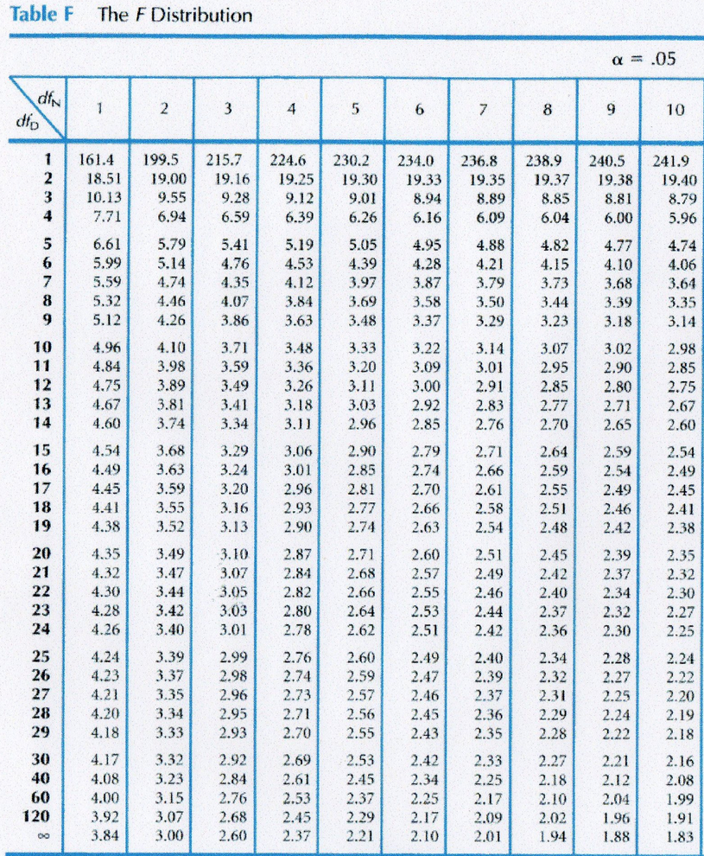
 |  | Data |  | Squared Data (square of each data point) |  | ANOVA
 |  | Hydrilla remaining: | Snail Biomass remaining: | Hydrilla remaining: | Snail Biomass remaining: |  | Hydrilla remaining: | Snail Biomass remaining:
 |  | % | % | % | % |  | % | % | Desciption | Formula
w | Present | 39.33% | 65.96% | 15.47% | 43.51% | SW | 157.89% | 349.50% | Sum of present | ∑W
 | Present | 41.75% | 97.84% | 17.43% | 95.72% | SX | 137.99% | 421.52% | Sum of visible | ∑X
 | Present | 36.62% | 87.69% | 13.41% | 76.90% | SY | 110.86% | 419.15% | Sum of absent | ∑Y
 | Present | 40.19% | 98.01% | 16.15% | 96.06% | SZ | 496.01% | NA | Sum of control | ∑Z
 |  |  |  |  |  | ST | 902.74% | 1190.16% | Sum of all data | ∑W + ∑X + ∑Y +∑Z
 |  |  |  |  |  | NW | 4 | 4 | Sample size of group w | number of data points in group w
x | Visible | 49.14% | 106.07% | 24.14% | 112.50% | NX | 4 | 4 | Sample size of group x | number of data points in group x
 | Visible | 44.64% | 105.61% | 19.92% | 111.54% | NY | 4 | 4 | Sample size group y | number of data points in group y
 | Visible | 23.76% | 104.35% | 5.65% | 108.88% | NZ | 4 | NA | Sample size of group z | number of data points in group z
 | Visible | 20.45% | 105.49% | 4.18% | 111.29% | N | 16 | 12 | Sample size (total) | total number of data points
 |  |  |  |  |  | C | 5.0933763781 | 11.80406103 | mean correction | [(∑W+∑X+∑Y+∑Z)^2] / N
 |  |  |  |  |  | SSB | 2.4636776302 | 0.083696873 | sum of squares between groups | [([(ΣW)^2] / NW ) + ([(ΣX)^2] / NX ) + ([(ΣY)^2] / NY ) + ([(ΣZ)^2] / NZ ) ] - C
y | Absent | 28.15% | 105.50% | 7.93% | 111.31% | D | 895.02% | 1195.79% | sum of all squared data | ∑ Squared Data
 | Absent | 39.25% | 105.75% | 15.41% | 111.82% | SST | 385.68% | 15.39% | sum of squares total | D - C
 | Absent | 3.33% | 106.79% | 0.11% | 114.04% | SSW | 139.31% | 7.02% | sum of squares wihtin groups | SST - SSB
 | Absent | 40.12% | 101.11% | 16.10% | 102.23% | k | 4 | 3 | number of treatments | count the number of treatments or habitats
 |  |  |  |  |  | DFB | 3 | 2 | degrees of freedome between groups (in table, dfN) | k - 1
 |  |  |  |  |  | DFW | 12 | 9 | degrees of freeddome within group (in table dfD) | (NW-1) + (NX-1) + (NY-1) + (NZ-1)
z | Control | 119.15% | NA | 141.96% | NA | MSB | 0.82122587674 | 0.0418484365 | mean square between groups | SSB / DFB
 | Control | 215.86% | NA | 465.94% | NA | MSW | 0.11609192709 | 0.0077970643099 | mean square within groups | SSW /DFW
 | Control | 89.46% | NA | 80.04% | NA | Fstat | 7.0739275101 | 5.3672042241 | f statistic | MSB / MSW
 | Control | 71.54% | NA | 51.18% | NA | Fcrit | 3.49 | 4.26 | critical f value: if less than F statistic, reject null hypothesis
 |  |  |  |  |  | P value | <0.05 | <0.05 | greater or less than alpha

ANOVA & Tukey
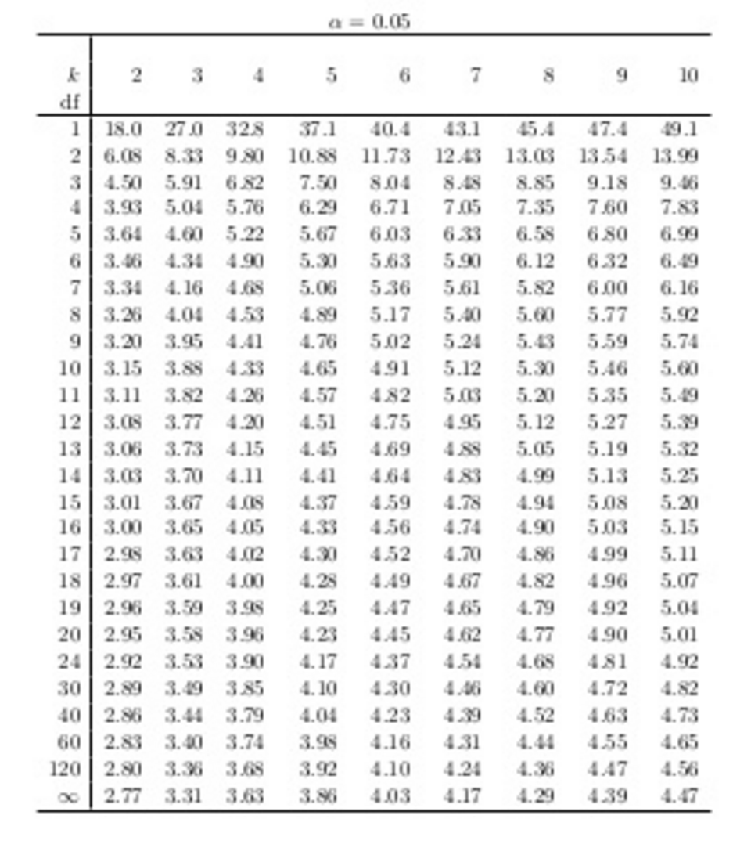
If your calculated q is > q critical, there is a significant difference between those two things
Tukey Post Hoc Test |  |  |  |  |  |  |  |  | q =ABS(mean1 - mean2)/SQRT(Mswithin/k)
% Hydrilla remaining:
Site |  | Mean | SE | Mswithin | DF within | k | q critical | Calculate q values: | q | is q >qcrit?
Direct Belostomatid | Present | 39.47% | 1.07% | 0.11609192709 | 12 | 4 | 4.2 | P - V | 0.2920 | No
Indirect Belostomatid | Visible | 34.50% | 7.24% |  |  |  |  | P - A | 0.6901 | No
No Belostomatid | Absent | 27.71% | 8.57% |  |  |  |  | P - C | 4.9618 | Yes
Control | Control | 124.00% | 32.15% |  |  |  |  | V - A | 0.3981 | No
 |  |  |  |  |  |  |  | V - C | 5.2539 | Yes
 |  |  |  |  |  |  |  | A - C | 5.6519 | Yes

% Snail Biomass remaining:
Site |  | Mean | SE | Mswithin | DF within | k | q critical | Calculate q values: | q | is q >qcrit?
Direct Belostomatid | Present | 87.37% | 7.53% | 0.0077970643099 | 9 | 3 | 3.95 | P - V | 3.5317 | No
Indirect Belostomatid | Visible | 105.38% | 0.37% |  |  |  |  | P - A | 3.4155 | No
No Belostomatid | Absent | 104.79% | 1.26% |  |  |  |  | V - A | 0.1162 | No

